Adjusted Gross Margin
Adjusted Gross Margin Calculator

Calculate Adjusted Margin
Instructions: 1. Enter Pre-Crisis average weekly financials for your business. Choose a period prior to COVID-19 crisis for "Pre-Crisis" numbers. For example, 2019 averages. 2. List Materials and Labor (if applicable) separately. 3. Your Adjusted Margin will be calculated.
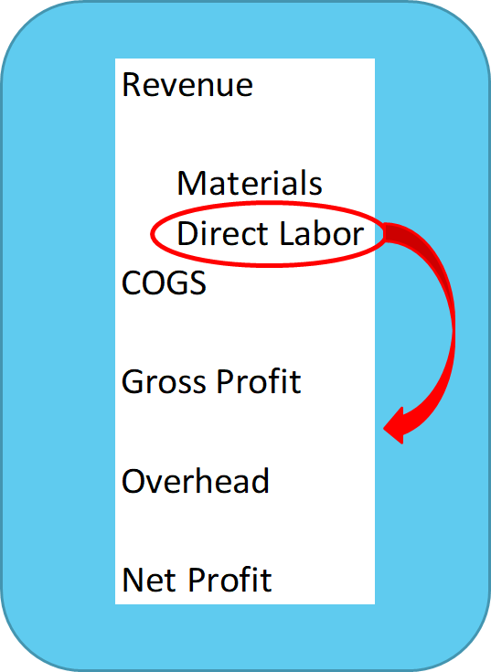
Move all labor out of COGS
Staffing decisions override efficiency decisions
Direct workers not fully utilized
Indirect workers taking on direct tasks
Plan your labor as fixed costs
Adjusted Gross Profit = Revenue – Materials
Adjusted Gross Margin = Adjusted Gross Profit/Revenue
Use Adjusted Gross Margin in Break-Even Calculations
Average Weekly Revenue (pre-crisis) | $-

Materials | $-
Labor | $-
Total COGS | $-

Gross Profit | $-
Margin

Adjusted COGS | $-
Adjusted Gross Profit | $-

Adjusted Margin

Break-Even Overhead
Develop Multiple Revenue Scenarios
Plan Reconfigured Facilities
Identify New Capacity Limitations: Facilities, Staffing, Supply
Factor in Customers’ Wide Range of Risk Tolerance
Establish Modified Revenue Plan - Be Realistic!
Up to three scenarios reflecting your new normal
Instructions: 1. Identify up to three different revenue scenarios you might expect due to current conditions. 2. Enter average weekly revenue projections reflecting low, medium and high levels of revenue. 3. Your Break-Even Overhead will be calculated for each scenario.

Scenario Descriptions
Low

Med

High
Calculate Break-Even Overhead
 | Low | Med | High
Revenue Scenarios (Weekly) | $- | $- | $-

Classic Break-Even Formula:
Break-Even Sales = Overhead / Margin %
Break-Even Overhead Formula:
Break-Even Overhead = Margin % * Projected Sales
Adjusted Margin

Break-Even Overhead

These are maximum overhead levels that sales will allow.

Fixed Cost Targets
Set Fixed Cost Targets
Instructions: 1. Baseline values are calculated using previous year average weekly overhead costs. 2. Enter overhead expense targets based on negotiations and cost control actions.

Determine minimum weekly fixed costs (overhead)
Reflect results of negotiations with landlord, utility companies, etc.
Don’t include direct materials reported in COGS
Every dollar cut here will allow more for salaries and profits
Chart of Expense Accounts | Baseline Weekly Overhead Expenses | Target Non-Labor Overhead Expenses

Marketing & Advertising | $- | $-
Car and Truck Expenses | $- | $-
Insurance | $- | $-
Legal and Accounting Fees | $- | $-
Office Expenses | $- | $-
Postage and Shipping | $- | $-
Rent on Business Property | $- | $-
Rent on Equipment | $- | $-
Repairs & Maintenance | $- | $-
Supplies | $- | $-
Telephone & Internet | $- | $-
Travel & Entertainment | $- | $-
Utilities | $- | $-
Other Expenses | $- | $-

Total Avg. Non-Labor Overhead | $- | $-

Calculate Available Labor $
Calculate Available Labor Dollars and Headcount
Instructions: 1. Enter amount of salaries for key employees plus owners income needed each week. 2. Enter average hourly wage of remaining staff. 3. Available wages and headcount are calculated for each scenario.
Revise Numbers and Review Results Until Feasible Plan
Salaries + Owners Income
Any key people
Be sure you have adequate personal income
Three Scenarios Provide Insight and Comparison
May Take Several Iterations
Rob Peter to Pay Paul

 | Low | Med | High
Revenue Scenarios | $- | $- | $-

Full Time Equivalent (FTE) is a measure of headcount
Combines full time and part time into one metric
FTE = Total # Hours / 40
Adjusted Margin

Break-Even Overhead

Non-Labor Overhead | $- | $- | $-

Salaries + Owner's Income | $- | $- | $-

Available for Hourly Payroll

Average Hourly Wages | $- | $- | $-

Available Headcount (FTE)

13 Week Cash Flow Plan
Build a Cash Flow Plan

Step 1: How Much Cash Do I Have?

Available Cash | $-

Minus: Payables and Bills Due | $-

Equals: Net Cash Available | $-

 | Low | Med | High
Step 2: What is Gap in Funding?

Net Cash Available | $- | $- | $-

Minus: 13 Weeks of Break-Even Overhead

Look out a minimum of 13 weeks
Determine funds needed and when you will run out
Be realistic about sales in this period – don’t assume instant recover
Equals: Remaining Cash / (Gap in Funds)

Step 3: What's My Burn Rate?

Total Future Expenses

Divided by: # Weeks | 13 | 13 | 13

Equals: Avg. Weekly Expenses (Burn Rate)

Step 4: How Much Time Do I Have?

Net Cash Available | $- | $- | $-

Divided by: Avg. Weekly Expenses (Burn Rate)

Equals: Weeks Before Running Out of Cash

Note: Materials in COGS are not included in above calculations.

